ScreenshotTest Evidence
GET /users - Positive
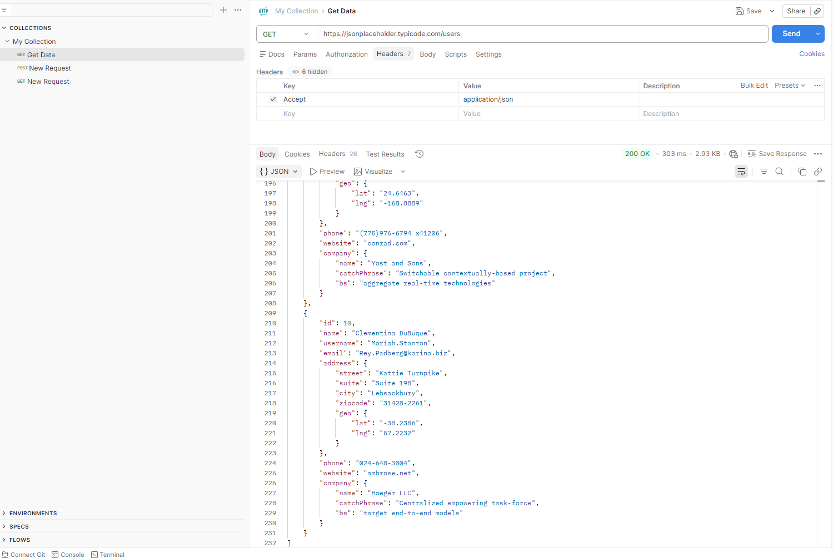

GET /users - Negative / Edge Case
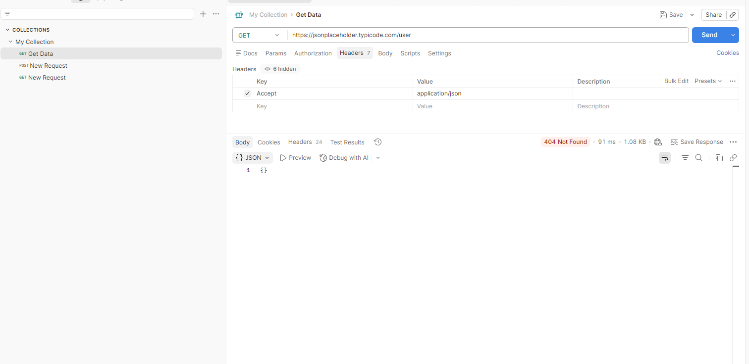

GET /users/1 - Positive
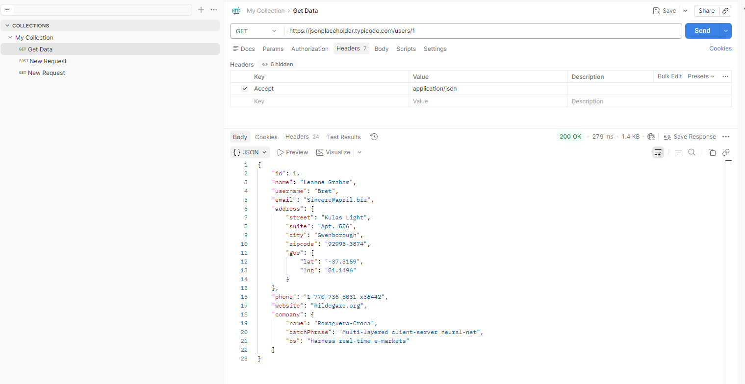

GET /users/1 - Negative / Edge Case

POST /posts - Positive
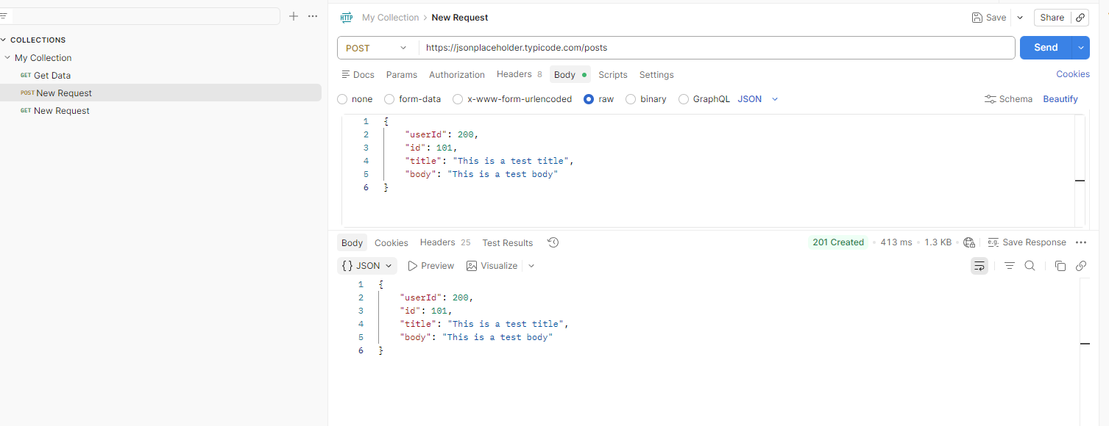

POST /posts - Negative / Edge Case

PUT /posts/1 - Positive
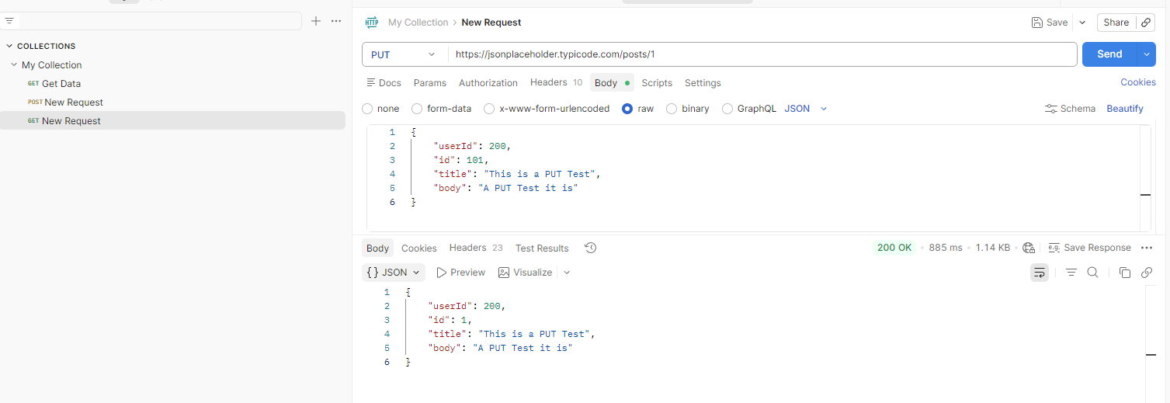

PUT /posts/1 - Negative / Edge Case

